Challenge 13
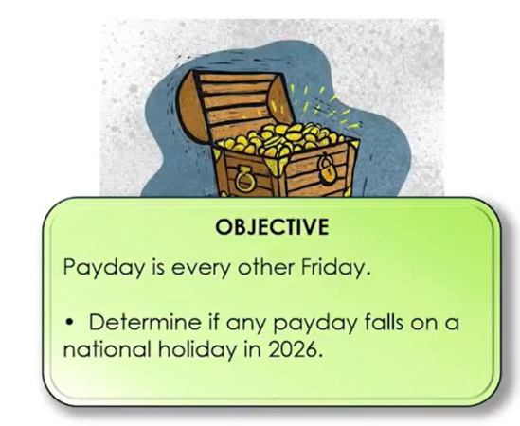
 | 2026 National Holidays

2026-01-01 | New Years Day
2026-01-12 | Kindness Day
2026-02-04 | Disconnect from Devices Day
2026-04-10 | Independence Day
2026-06-14 | National Disco Party
2026-07-15 | Left-Handed People Celebration 1
2026-07-16 | Left-Handed People Celebration 2
2026-07-30 | National Day of Rest
2026-09-07 | Rememberance Day
2026-09-24 | Data-Cleansing Day
2026-11-06 | National Dat of Learning
2026-12-11 | Toss Out Old Food Day

 | Paydays

 | 10-Apr-26 | 5
 | 6-Nov-26 | 5
 | 11-Dec-26 | 5

